INSTRUCTIONS
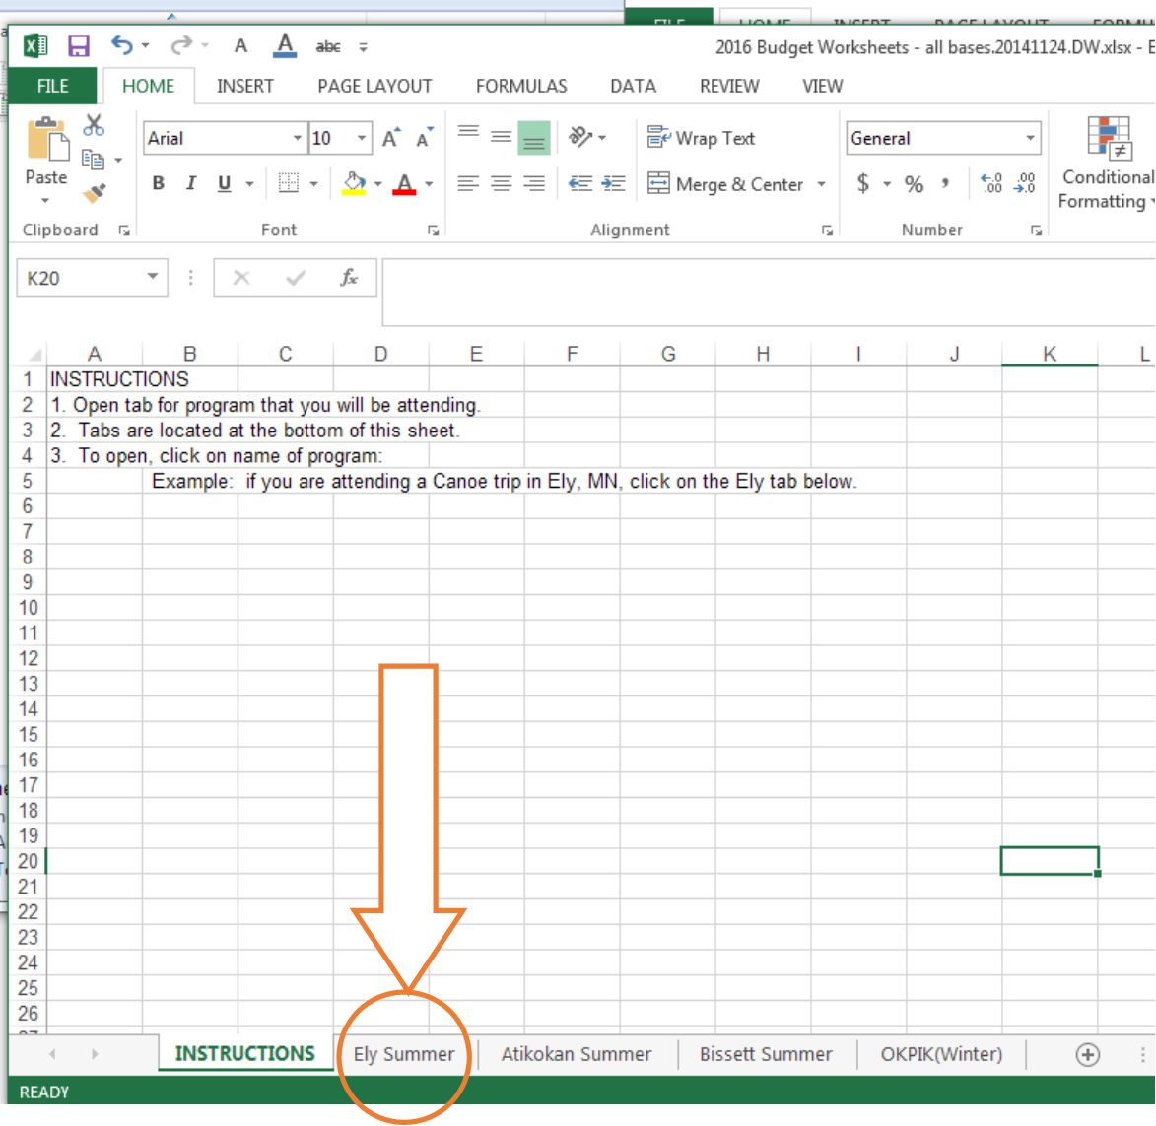
INSTRUCTIONS
1. Open tab for program that you will be attending.
2. Tabs are located at the bottom of this sheet.
3. To open, click on name of program:
 | Example: if you are attending a Canoe trip in Ely, MN, click on the Ely Summer tab below.

